Sheet1
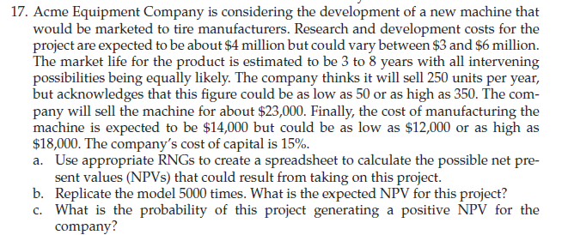
 |  |  |  |  |  | R&D cost | $4 | Min | $3 | Max | $6
 |  |  |  |  |  | Life |  | Min | 3 years | Max | 8 years
 |  |  |  |  |  | Sale |  | Min | 50 | Max | 350

 |  |  |  |  |  | Manufacturing cost |  | Min | 12000 | Max | 18000

 |  | Minimum | Likely | Maximum
R&D Cost | 0 | $3,000,000.00 | $4,000,000.00 | $6,000,000.00 | Triangular
Market Life | 0 | 3 |  | 8 | Uniform
Sales Quantity |  | 50 | 250 | 350 | Triangular
Cost of Manufacturing |  | $12,000.00 | $14,000.00 | $18,000.00 | Triangular
Selling Price |  | $23,000.00
Cost of Capital |  | 15%

year | Sales no. | Cost of Manufacturing | Selling price | profit | cash flow
0 |  |  |  |  | 0
1 | 0 | 0 | 0 | 0 | 0
2 | 0 | 0 | 0 | 0 | 0
3 | 0 | 0 | 0 | 0 | 0
4 | 0 | 0 | 0 | 0 | 0
5 | 0 | 0 | 0 | 0 | 0
6 | 0 | 0 | 0 | 0 | 0
7 | 0 | 0 | 0 | 0 | 0
8 | 0 | 0 | 0 | 0 | 0

NPV | 0

